Cover Page
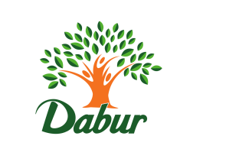

DABUR INDIA LTD.

FINANCIAL MODEL AND BUSINESS VALUATION

Company : Dabur India Ltd
Ticker : NSE: Dabur | xxxx | Inputs / Assumptions
Industry : FMCG | xxxx | Formulae
Year Ending : March | xxxx | Linking/ Reference cell
Analyst : Saurav Sarthak Das

EIC Analysis'
Full 3 FS Model & DCF'!A1 - 3statments
Full 3 FS Model & DCF'!A89 - Supporting Schedules
Full 3 FS Model & DCF'!A111 - Ratio & Assumptions
Full 3 FS Model & DCF'!A130 - DCF Analysis
Full 3 FS Model & DCF'!A177 - Sensitivity Analysis
Other Key Financial Ratio'!A6
Common-Size Statement'!A9
Comp- Valuation- Dabur'!A6
WACC Calculation'!A6
Football Field Analysis'!A6
Calculation of Beta'!A6
Market Data'!A6
Historical Statement'!A6
Comp value data'!A6
Recommendation!A6

EIC Analysis
Dabur India Ltd.

EIC Analysis

EIC Analysis - Dabur India Ltd.
Parent Company | Dabur India Limited (Burman Family)
Category | Consumer Products, Healthcare, Personal Care, Food & Beverages
Sector | FMCG
Tagline/ Slogan | Celebrate Life
USP | Dabur is India’s largest Ayurvedic and natural healthcare FMCG company with strong heritage, wide rural reach, and a diversified portfolio across health supplements, personal care, home care, and foods.

Economic Analysis - Dabur India Ltd.
Real GDP or Gross Domestic Product (GDP) at constant (2011–12) prices for 2024–25 is projected to reach ₹175–178 trillion, supported by resilient domestic consumption, robust manufacturing activity, and strong government capital expenditure. India remains one of the fastest-growing major economies, with the IMF forecasting 6.8% GDP growth for FY25, reflecting broad-based economic momentum and stable macroeconomic fundamentals.

According to the latest estimates, India continues to strengthen its global economic position. The country has emerged as the world’s third-largest startup ecosystem, with rising investments in technology, digital services, and consumer-focused sectors. The expanding innovation ecosystem is expected to generate large-scale employment and boost consumer demand—an important growth driver for FMCG companies like Dabur.

To sustain high economic growth through 2030, India needs to create significant employment opportunities. As per McKinsey Global Institute, India must generate 8–9 million non-farm jobs annually to maintain productivity and achieve 7–8% GDP growth through the remainder of the decade. Improving rural income levels, favorable monsoon trends, and rising government spending on agriculture and rural infrastructure are expected to boost rural consumption, directly benefitting Dabur, which has one of the deepest rural distribution networks in the FMCG sector.

Industry Analysis - Dabur India Ltd.

STP of Dabur
Segment | Ayurvedic, natural and herbal healthcare products, personal care, home care, and food & beverage products for daily use
Target Group | Health-conscious consumers, families across urban and rural India, and individuals seeking natural, herbal, and immunity-focused products
Positioning | India’s most trusted Ayurvedic and natural wellness FMCG brand offering science-based, nature-derived products that promote holistic health and everyday well-being

SWOT ANALYSIS

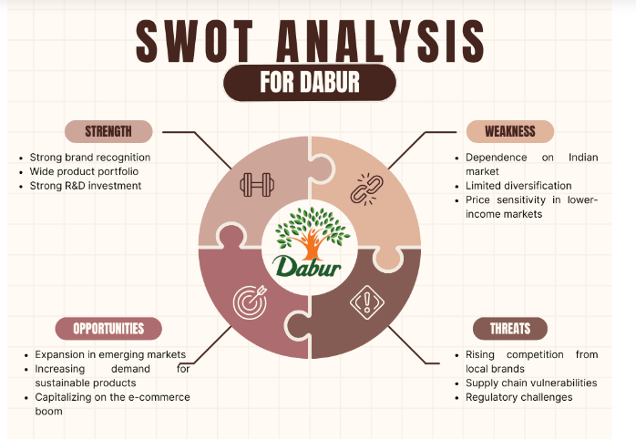

PESTEL ANALYSIS
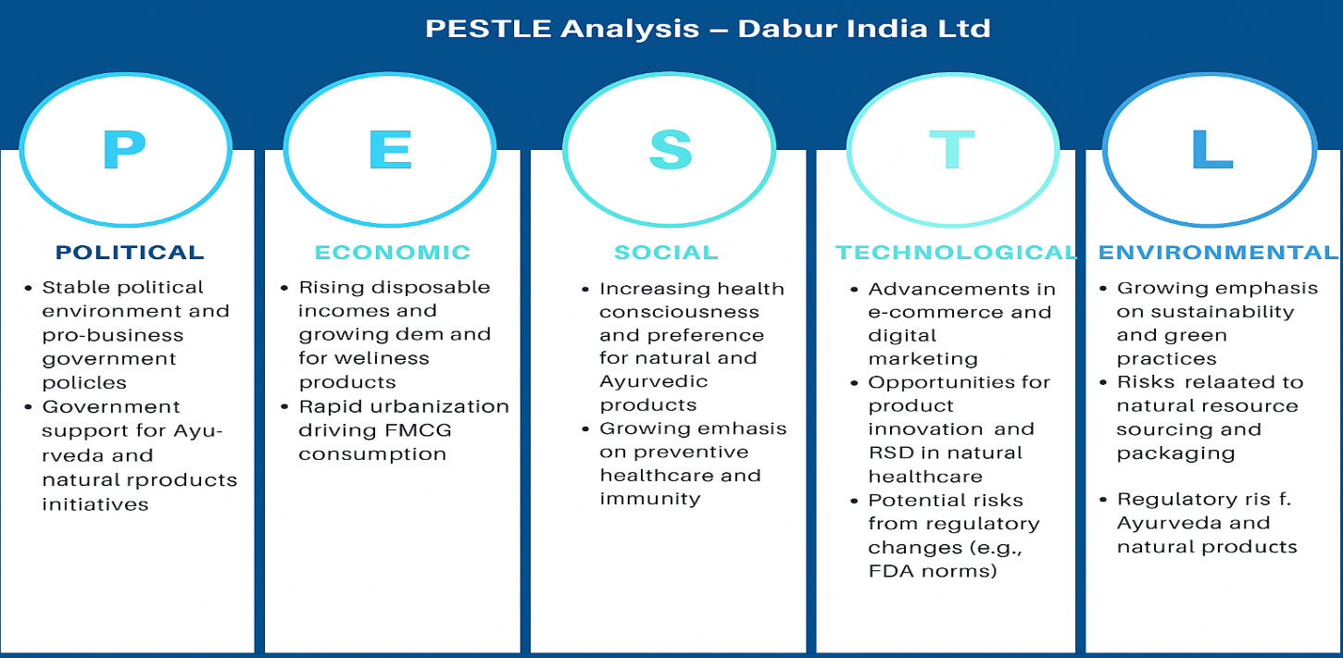
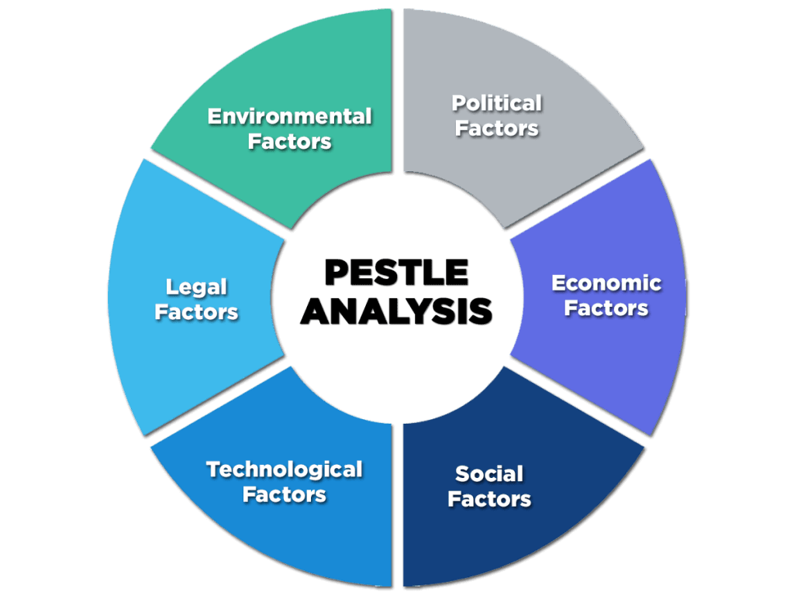

PORTER'S FIVE FORCES ANALYSIS

Competition Rivalry (High)
Dabur faces intense competition from major FMCG players such as HUL, Patanjali, Emami, Marico, Baidyanath, and ITC. Most competitors offer similar Ayurvedic, natural, and healthcare products, making product switching easy for consumers.In segments like honey, oral care, juices, and healthcare supplements, multiple brands compete aggressively, increasing advertising and pricing pressures.

Porter's five forces
Threat of new entrants
(Moderate)
Bargaining power of suppliers
(Low-Moderate)
Threat of substitutes
(Moderate-High)
Bargaining power of customers
(High)
Competitive rivalry
(High)
Threat of new entrants (Moderate)
While the FMCG sector is easy to enter at a small scale, building a trusted Ayurvedic brand like Dabur is challenging due to: High cost of brand building,Extensive distribution networks required,Regulatory approvals for health productsHowever, growing demand for natural and Ayurvedic products continues to attract start-ups and D2C wellness brands, keeping the threat at a moderate level.

Threat of substitutes (Moderate-High)
Consumers are increasingly shifting towards: Local Ayurvedic brands Herbal home remedies Organic and specialty wellness products In segments like honey, chyawanprash, and juices, substitutes are widely available. The wellness industry is expanding rapidly, increasing alternatives, but Dabur’s strong trust and legacy reduce the risk slightly.

Bargaining power of suppliers (Low-Moderate)
Dabur sources raw materials like herbs, fruits, and natural ingredients largely from domestic suppliers. Because most ingredients have many alternate suppliers, the bargaining power remains low. However, for specific herbs and organic-certified materials, supplier dependency can increase, making overall power low to moderate.

Bargaining power of consumers (High)
Indian consumers are price-sensitive and have access to many substitutes in personal care, healthcare, and food categories. Consumers easily switch between brands based on:Pricing, Discounts Perceived health benefits With every FMCG and Ayurvedic company expanding aggressively, consumer bargaining power is very high, especially in honey, juices, hair oils, and oral care.

Company Analysis

Dabur India Ltd is one of the largest Ayurvedic and natural FMCG companies in India, with a legacy of over 140 years. The company operates across healthcare, personal care, home care, and food & beverages, with trusted brands such as Dabur Honey, Dabur Amla, Vatika, Real Juices, Dabur Red Toothpaste, Chyawanprash, and Pudin Hara. Dabur reaches over 6.9 million retail outlets and has a strong footprint in both urban and rural markets, including deep distribution in Tier-2 and Tier-3 regions. It also has a strong international presence across the Middle East, Africa, SAARC, and the US. With a market capitalization of USD 10–11 billion, Dabur is among the top Indian FMCG players and a global leader in Ayurvedic healthcare products. Its portfolio strongly aligns with growing wellness trends and the shift toward natural, herbal, and immunity-boosting products.

Revenue from each segment
Consumer Care Business | 55.00%
Food & Beverages Business | 15.50%
Other Segments | 3.00%
International Business | 26.50%

Revenue from each segment | Percent(%)
Consumer Care Business | 55%
Food & Beverages Business | 15.50%
Other Segments | 3%
International Business | 26.50%

Back to cover

Football Field Analysis
Dabur India Ltd.

Valuation Summary - Football Field

Football Field Data
 |  |  |  | Market
 | Comps | DCF | 52-week High/low | Consesus
High | 595.8 | 736.1 | 529.4 | 625.0
High | 595.8 | 736.1 | 529.4 | 625.0
Low | 553.9 | 438.0 | 484.2 | 400.0
Low | 553.9 | 438.0 | 484.2 | 400.0

Valuation Summary
Valuation Summary

Back to cover

Recommendation
Dabur India Ltd.

Recommendation

Buy / Hold

Various valuation methodologies have been applied to determine the intrinsic value of Dabur India Ltd., combining both DCF-FCFF and Multiple-Based Relative Valuation approaches. Under the DCF method, the equity value per share was estimated at ₹573.36. Under Relative Valuation, the equity value per share was computed as ₹553.90 using EV/Revenue multiples, ₹577.80 under EV/EBITDA multiples, and ₹595.80 using P/E multiples. To incorporate both long-term cash flow potential and current market-based pricing, the DCF valuation was assigned an 80% weight, while the remaining 20% was allocated to the blended Relative Valuation outcome. Based on this methodology, the blended fair value per share of Dabur India comes out to ₹582.39.

With Dabur’s current market price at ₹518.70, the valuation indicates a positive gap of +12.28%, implying that the stock is undervalued. This highlights an opportunity for long-term investors to accumulate the stock, while existing shareholders may continue to hold given the meaningful room for appreciation supported by Dabur’s business fundamentals and steady financial outlook.

In terms of operational performance, Dabur has maintained or expanded market share in more than 85% of its portfolio, driven by its leadership in Health Care, Oral Care, Digestives, and several Personal Care categories. Core products such as Chyawanprash, Honey, Real Juices, Odonil, Dabur Amla, and Pudin Hara continue to perform well due to strong brand equity and the company’s heritage in natural and ayurvedic formulations. That said, certain Personal Care and Home Care segments have faced competitive intensity from herbal-focused and D2C brands, impacting volumes in select categories.

Rural markets — traditionally Dabur’s stronghold — have experienced slower recovery, affecting overall volume growth. In contrast, urban markets have remained stable, supported by premiumisation, increasing penetration of modern trade, e-commerce expansion, and a broader shift in consumer preference toward health and wellness. Dabur’s continued investments in deepening its rural distribution (targeting over 100,000 villages), enhancing its digital footprint, and launching natural and health-oriented products position it well to capitalize on medium-term demand improvements.

Key risks include a prolonged rural slowdown, rising competition from FMCG and new-age herbal brands, potential resurgence in commodity inflation, and execution challenges in new product initiatives or international markets. Despite these headwinds, several catalysts — including rural recovery, margin expansion due to moderating input costs, steady innovation pipeline, and distribution expansion — create visible upside opportunities.

Overall, Dabur India remains a fundamentally strong, resilient, and cash-generative FMCG franchise. With the blended fair value at ₹582.39 and the market price at ₹518.70, the stock appears undervalued by +12.28%. Therefore, the valuation supports a Buy / Accumulate recommendation for long-term investors, while existing shareholders may continue to Hold, given the company’s strong brand portfolio, stable cash flows, and favourable industry positioning.

